11C_TASP457(compound)
Structures
Property name | Property Value
trivial name | [11C]TASP457
DOI | 10.1016/j.nucmedbio.2016.08.004
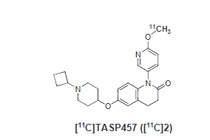
Molecular formula | C2311CH29N3O3

Chemical and Physical Properties | Calculated by ChemDraw(ver22.2.0)
Property name | Property Value
Molecular weight | 406.51
XlogP3 | 3.52
Hydrogen Bond Donar Count | 0
Hydrogen Bond Acceptor Count | 2
Rotatable Bond Count | 5
Exact Mass | 406.23
Monoisotopic Mass | 406.23
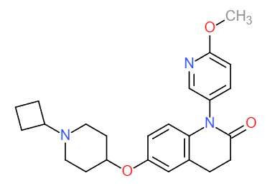
Topological Polar Surface Area | 54.37
Heavy Atom Count | 30
Formal Charge | 0
Complexity
Isotope Atom Stereocentor
Defined Atom Stereocenter Count
Undefined Atom Stereocenter Count
Defined Bond Stereocenter Count
Undefined Bond Stereocenter Count
Covalently-Bonded Unit Count | 1
Compound Is Canonicalized | Yes |  | No. of Nitrogen and Oxygen Atoms: 6
 |  |  | No. of Rings: 5
BioAssay Results
Activity Value, nM | Activity Type | BioAssay Name | BioAssay AID | Substance SID

